Sheet1
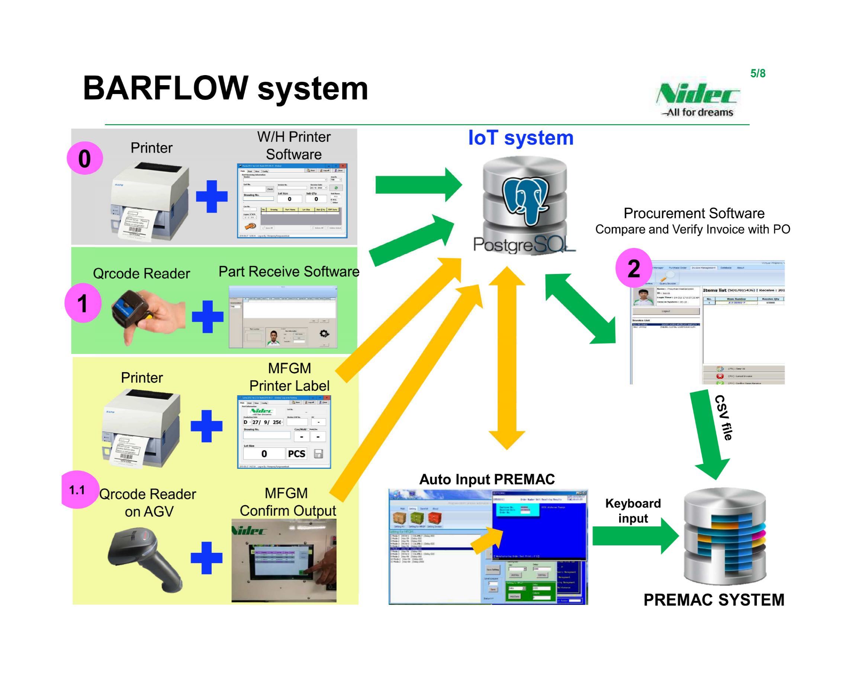
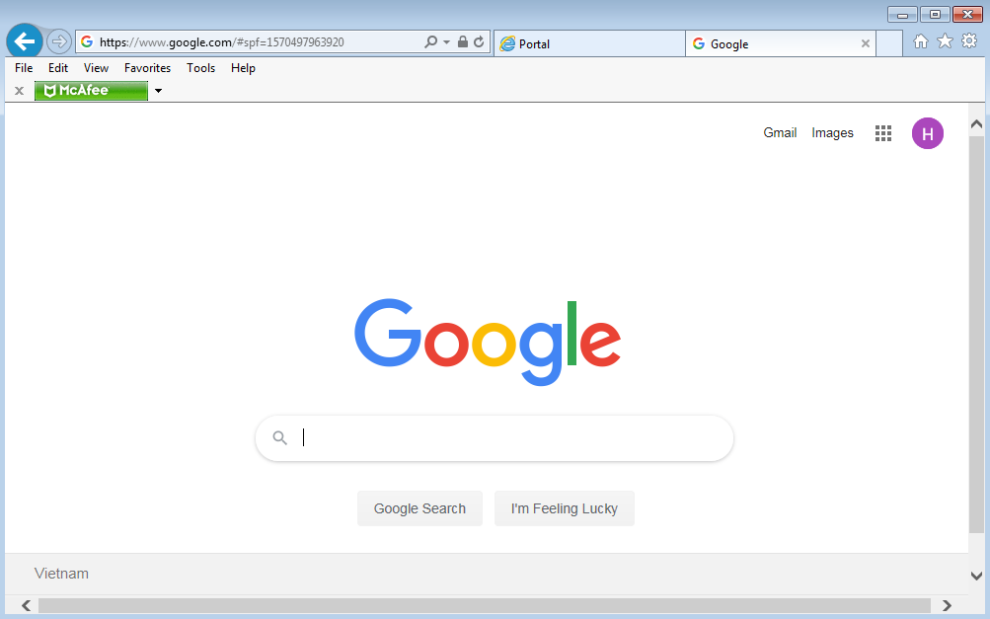

 |  |  | From Supplier

Part without barcode
Invoice

Part with barcode

Invoice

NCVP
 | 1/ | P/O form
 | 2/ | PIO form
 | 3/ | Item name product
 | 4/ | barcode information part/good

